Numbering Charts new 5 scale
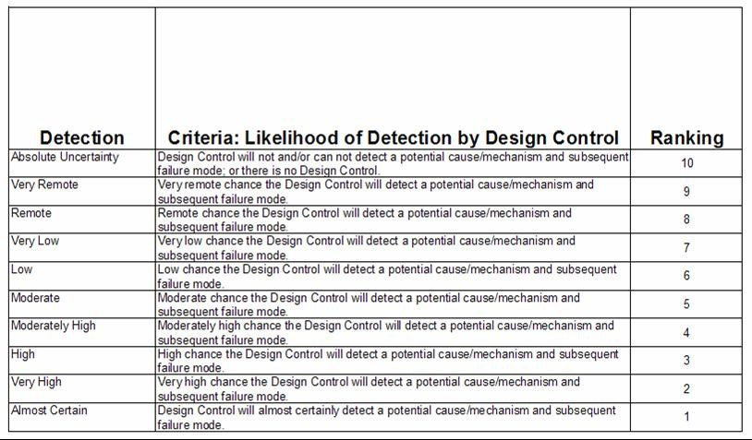
 |  | OCCURENCE |  | SEVERITY |  |  | DETECTION
 |  |  | Definition: Severity is a measure of the possible consequences of a hazard.
Definition: Probability P2 is the likelihood that the harm will result if the hazardous situation occurs. |  |  | Severity Term | Level | Description | Notes/ references
 |  |  | No Adverse Health Consequence | S0 | No adverse health consequence. Dissatisfaction NOT resulting in medical harm. Possible customer complaint; inconvenience. | - FDA HHA/ HHE form: No adverse health consequence. - ISO 14971 example - No equivalence. - Common Terminology Criteria for Adverse Events (CTCAE)^ - No equivalence. - Clin J Am Soc Nephrol 5: 2004–2017, 2010*: Severity definition for level 1: Negligible - Inconvenience or temporary discomfort; no injury. No symptoms or signs.
Level | Term | Definition | Negligible | S1 | Limited (transient, minor impairment or complaints); symptoms related to temporary discomfort. Condition will resolve itself without treatment or long term consequences. Intervention is not indicated; if provided, it is intended to reduce syptoms. Example: Bruse, localized rash | - FDA HHA/ HHE form: Limited (transient, minor impairment or complaints). - ISO 14971 example: Negligible - Inconvenience or temporary discomfort. - CTCAE: Garde level 1 - Aymptomatic clinical or diagnostic observations only; intervention not indicated. - Clin J Am Soc Nephrol 5: 2004–2017, 2010*: Severity definition for level 2: Minor -Temporary injury or impairment not requiring professional medical intervention. Symptoms.
5 | Frequent | Highly likely to occur given this hazardous situation; almost certain to occur. | Minor | S2 | Reversible without medical intervention; symptoms may temporarily limit activities of daily living. Condition will resolve itself without treatment or long term consequences. Intervention is indicated to aliviate symtoms, improve recovery time and/or allow normal activities of daily living. Example: Hematoma, Hives, Upper Respiratory Tract Infection | - FDA HHA/ HHE form: Temporary or reversible (without medical intervention). - ISO 14971 example: Minor - Results in temporary injury or impairment not requiring professional medical intervention. - CTCAE: Grade level 2 - Symptomatic and no intervention or simple intervention indicated (e.g. local management, oral medication). - Clin J Am Soc Nephrol 5: 2004–2017, 2010*: Severity definition for level 3: Serious - Injury or impairment requiring professional medical intervention. Symptoms and signs, general medical intervention (GMI) required. GMI consists of possible administration of corrective action by health professional according to procedures within the clinic, which may be administered with or without a physician’s order (e.g., positioning of patient, administration of over-the counter drugs).
4 | Probable | Likely to occur given this hazardous situation; a common, frequent, regular, typical or usual event. | Moderate | S3 | Necessitates or can be reasonably expected to result in medical or surgical intervention, including hospitalization. Symptoms prevent normal activity. Condition will result in permanent impairment or life-threatening event without treatment. Intervention is indicated to prevent additional injury, life-threatening condition or permanent impairment. Interventions include but are not limited to elective invasive procedures, hospitalization, IV antibiotics. Example: Active bleeding, Allergic Reaction, Bacterial Pneumonia | External references: - FDA HHA/ HHE form: Necessitates medical or surgical intervention. - ISO 14971 example: Serious - Results in injury or impairment requiring professional medical intervention - CTCAE: Grade 3 - IV - Symptomatic, elective surgical or other invasive intervention indicated. - Clin J Am Soc Nephrol 5: 2004–2017, 2010*: Severity definition for level 4: Critical - Permanent impairment or life-threatening injury. Symptoms and signs, specific medical intervention (SMI) required. SMI shall be determined by medical experts for each particular harm.
3 | Occasional | Occasionally may occur given this hazardous situation; neither common nor rare, but occurs sometimes, every so often, once in a while. | Major | S4 | The outcome of the event results, or can be reasonably expected to result, in permanent impairment of body function or permanent damage to a body structure. An injury that prevents the patient from normally conducting the activities he/she was capable of performing before the injury occurred. Examples: Nerve Damage, Limb Amputation | External refence: - FDA HHA/ HHE form: Results in permanent impairment of body function or permanent damage to a body structure. - ISO 14971 example: Critical - Results in permanent impairment or life-threatening injury. - CTCAE: No equivalence - Clin J Am Soc Nephrol 5: 2004–2017, 2010*: Severity definition for level 4: Critical - Permanent impairment or life-threatening injury. Symptoms and signs, specific medical intervention (SMI) required. SMI shall be determined by medical experts for each particular harm. - DOT: (A- Incapacitating Injury) any injury, other than a fatal injury, that prevents the injured person from walking, driving, or normally conducting the activities the person was capable of performing before the injury occurred. J&J Internal reference: - HHE Standard: SL4 - Results in permanent impairment of body function or permanent damage to a body structure.
2 | Remote | Unlikely to occur given this hazardous situation; a rare, seldom, uncommon, infrequent, or unusual event. | Fatal | S5 | Life-threatening (death has or could occur). Reasonable expectation of the conditions resulting in death in the absence of specific medical intervention. Threat to life is imminent and requires immediate professional medical intervention. Examples: Hemorragic Shock, Anaphylactic Reaction, Sepsis | External references: - FDA HHA/ HHE form: Life-threatening (death has or could occur). - ISO 14971 example: Catastrophic - results in patient death. - CTCAE: Grade 4 - Life-threatening consequences; urgent intervention indicated. Grade 5 - Death - Clin J Am Soc Nephrol 5: 2004–2017, 2010*: Severity definition for level 5 (Catastrophic: Death - Reasonable expectation of death in the absence of SMI. - DOT: (K- fatal injury) an injury that results in death. J&J Internal reference: - HHE Standard: SL5 - Life-threatening (death has or could occur)
1 | Improbable | Highly unlikely to occur given this hazardous situation; would only occur in exceptional cases; almost never occurs. |  |  |  | ^Common Terminology Criteria for Adverse Events: The purpose of the CTCAE is to provide standards for the description and exchange of safety information in oncology research. The Steering Commitee: members from NCI, VCDE, MedDRA MSSO, WG leads, and members from the research community.
 |  |  |  |  |  | *Lodi et al. Multidisciplinary Evaluation for Severity of Hazards Applied to Hemodialysis Devices: An Original Risk Analysis Method. Clin J Am Soc Nephrol 5: 2004–2017, 2010:

Numbering Charts old 10 scale
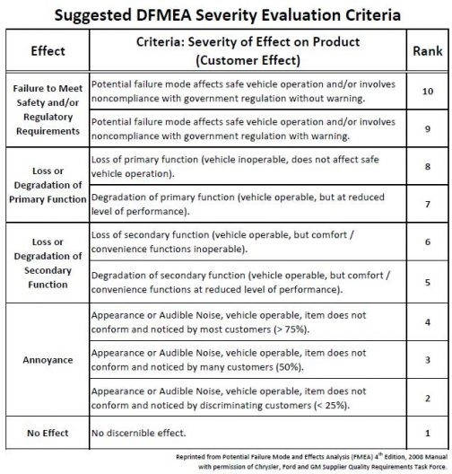
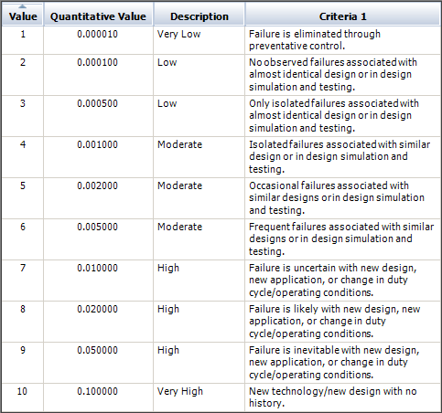
OCCURENCE | DETECTION | SEVERITY

